Figure 2
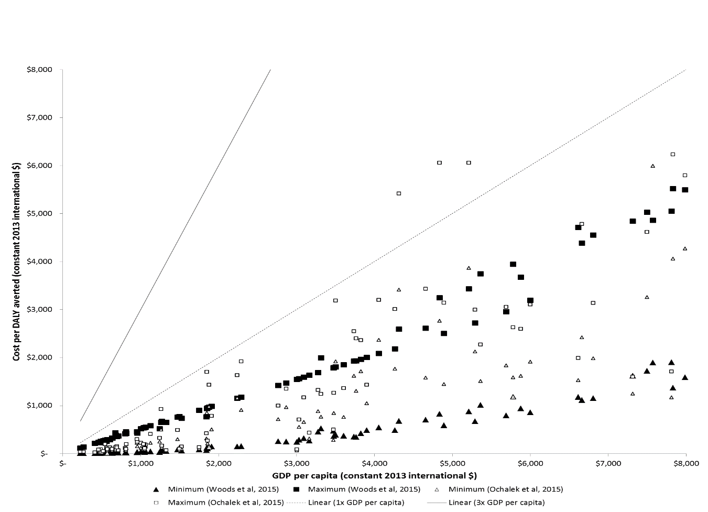

Figure 3
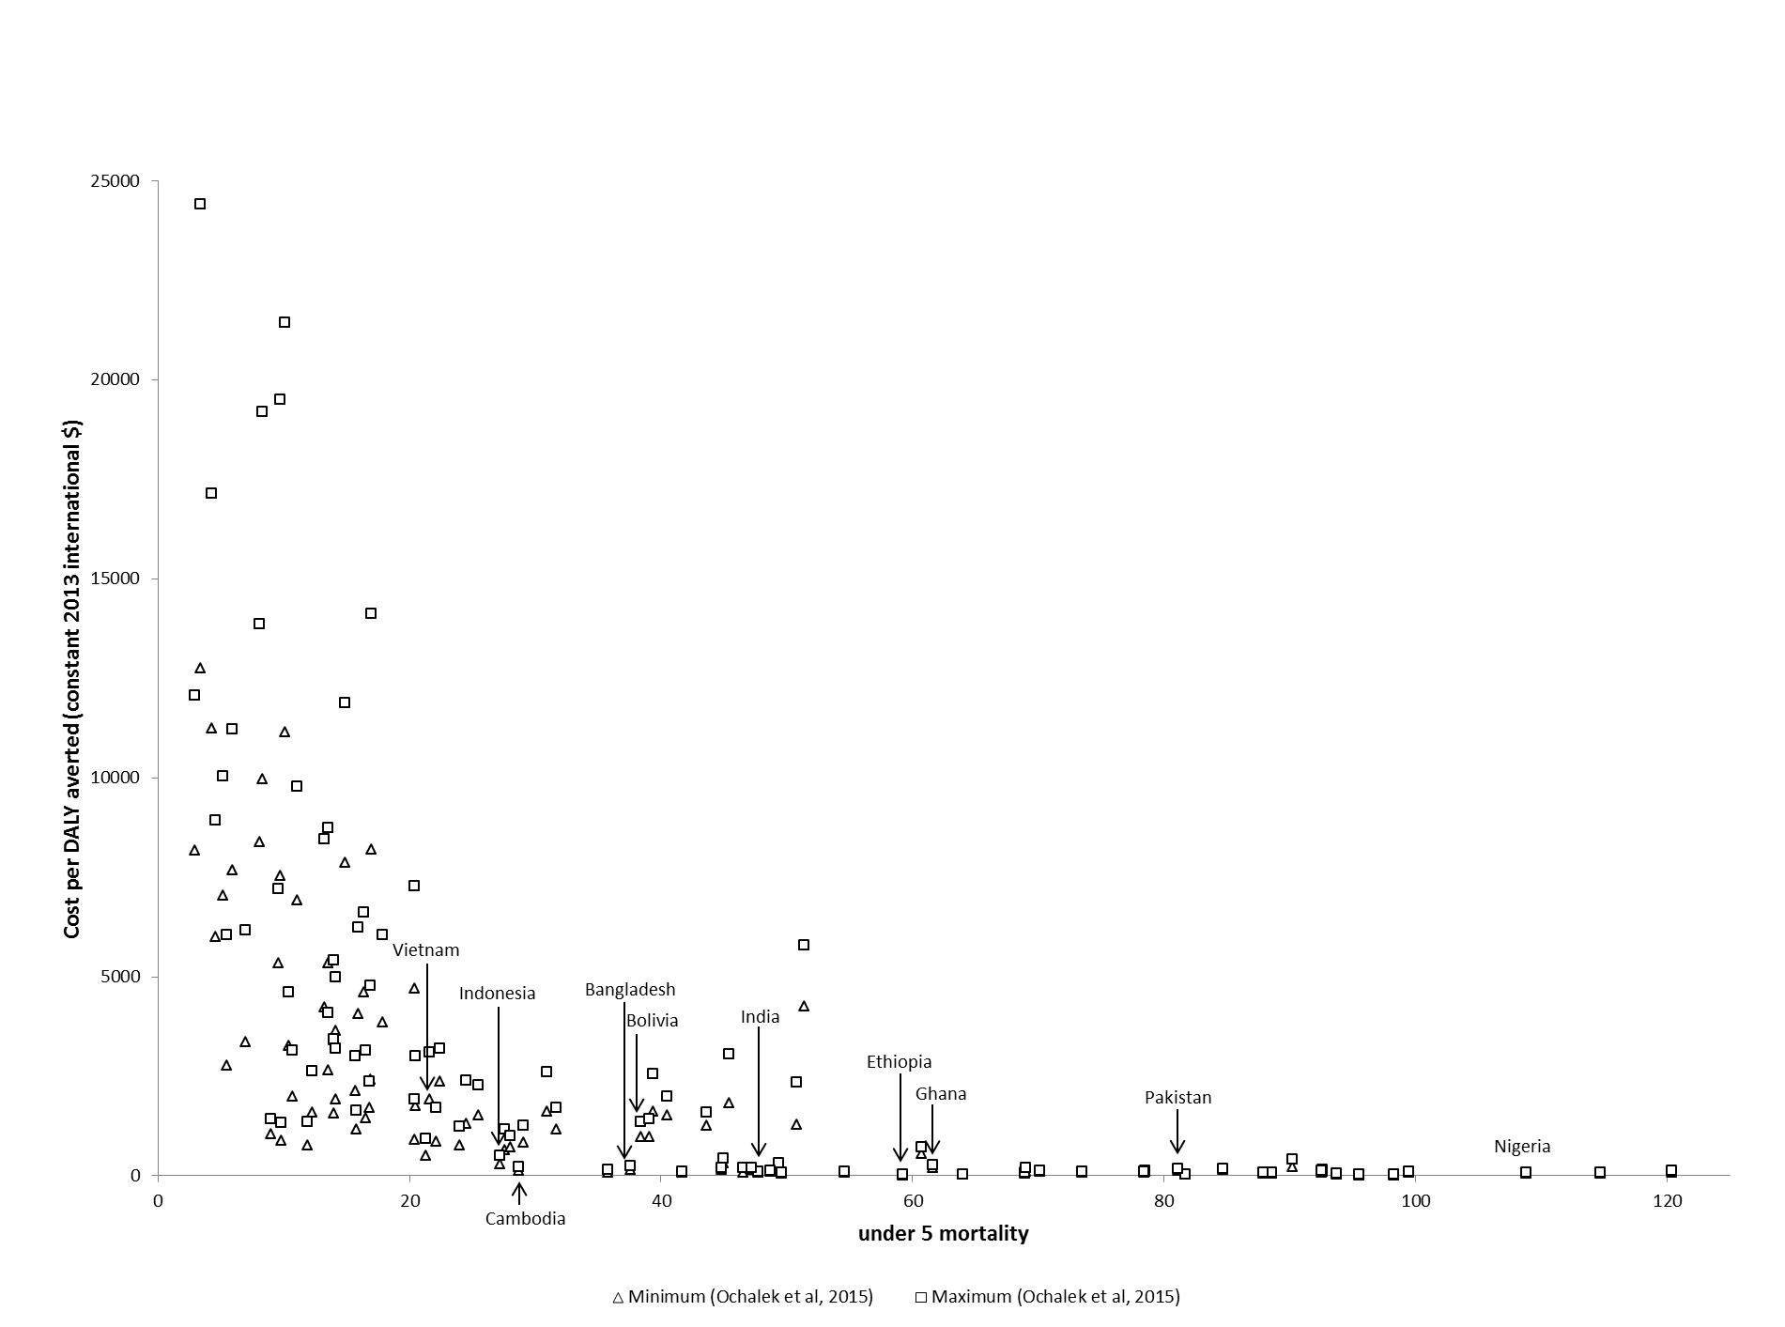

Figure 5
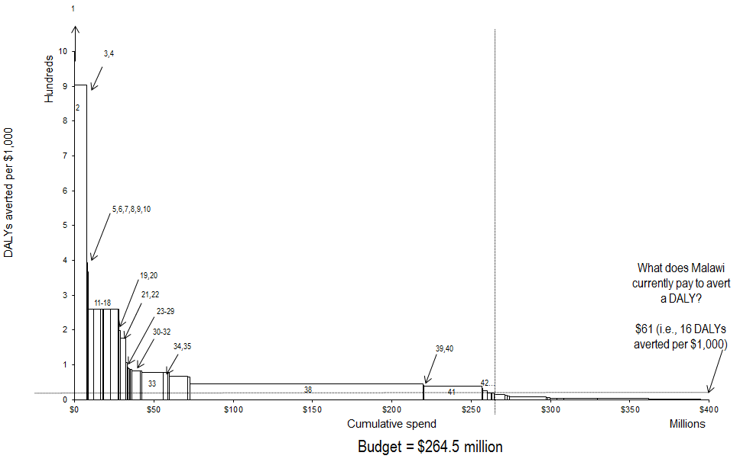

Figure 6
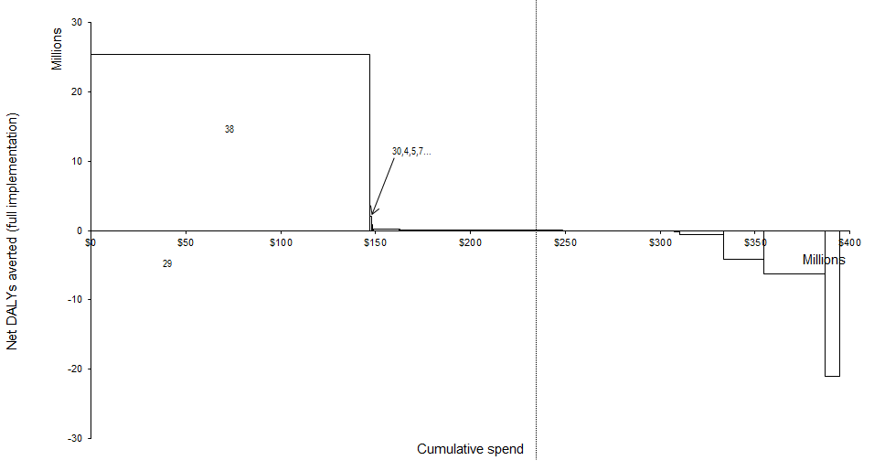

Figure 7
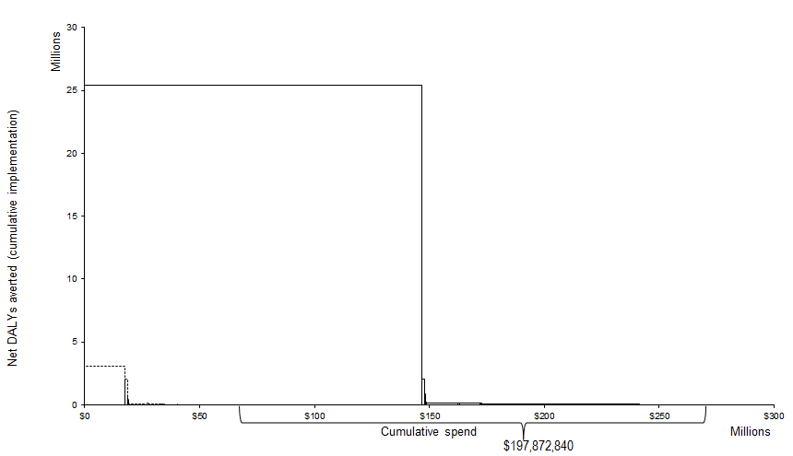

Figure 8
 | Isoniazid Preventive Therapy for HIV+ no TB | First line treatment for new TB Cases for adults | First line treatment for new TB Cases for children | Clean practices and immediate essential newborn care (home) | Management of pre-eclampsia (Magnesium sulphate) | Voluntary counseling and testing | Rotavirus vaccine | Households owning at least one ITN/LLIN | Malaria treatment: First trimester - uncomplicated | PMTCT | Malaria treatment: Uncomplicated - 2nd line (adult, >36 kg) | Malaria treatment: Uncomplicated - 2nd line (adult, <36 kg)
0 | 33672878.743 | 22122152.141 | 18788596.835 | 13909438.15 | 5922852.0312 | 5119997.8424 | 4919790.0028 | 4846582.1395 | 4087451.0387 | 3560624.9486 | 3353500.1279 | 3285408.7548
10000000 | 23672878.743 | 12122152.141 | 8788596.8348 | 3909438.1496 | -4077147.9688 | -4880002.1576 | -5080209.9972 | -5153417.8605 | -5912548.9613 | -6439375.0514 | -6646499.8721 | -6714591.2452
20000000 | 13672878.743 | 2122152.1405 | -1211403.1652 | -6090561.8504 | -14077147.969 | -14880002.158 | -15080209.997 | -15153417.86 | -15912548.961 | -16439375.051 | -16646499.872 | -16714591.245
30000000 | 3672878.7426 | -7877847.8595 | -11211403.165 | -16090561.85 | -24077147.969 | -24880002.158 | -25080209.997 | -25153417.86 | -25912548.961 | -26439375.051 | -26646499.872 | -26714591.245
40000000 | -6327121.2574 | -17877847.859 | -21211403.165 | -26090561.85 | -34077147.969 | -34880002.158 | -35080209.997 | -35153417.86 | -35912548.961 | -36439375.051 | -36646499.872 | -36714591.245
50000000 | -16327121.257 | -27877847.859 | -31211403.165 | -36090561.85 | -44077147.969 | -44880002.158 | -45080209.997 | -45153417.86 | -45912548.961 | -46439375.051 | -46646499.872 | -46714591.245

Figure 9
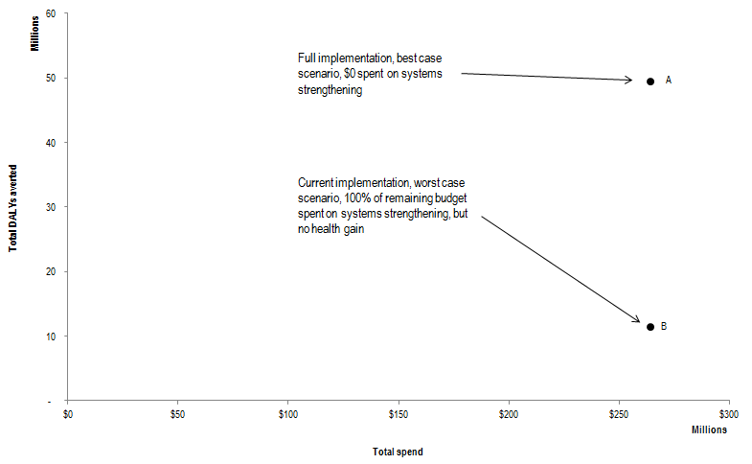

Figure 10
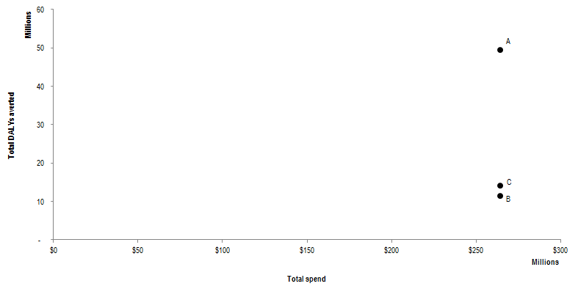

Figure A1
